Production Overview
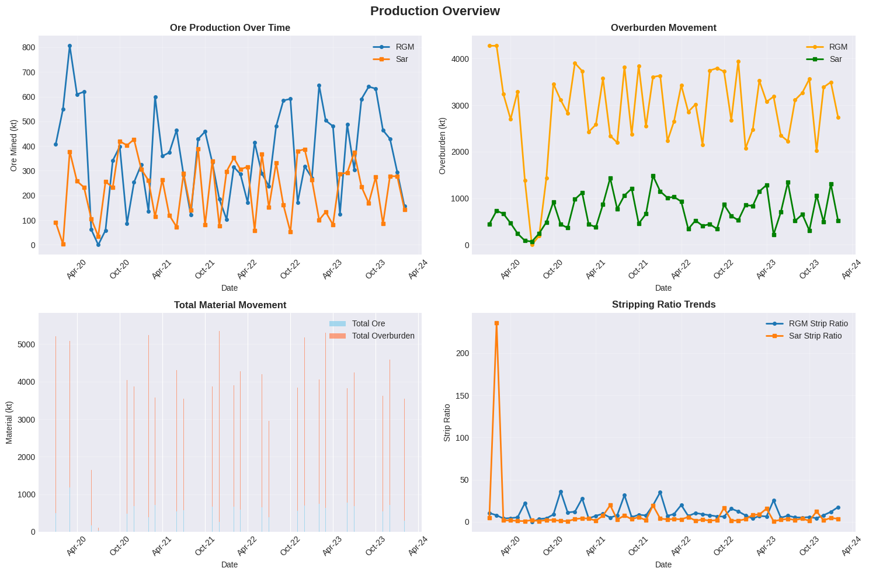
Production Overview

Efficiency Analysis
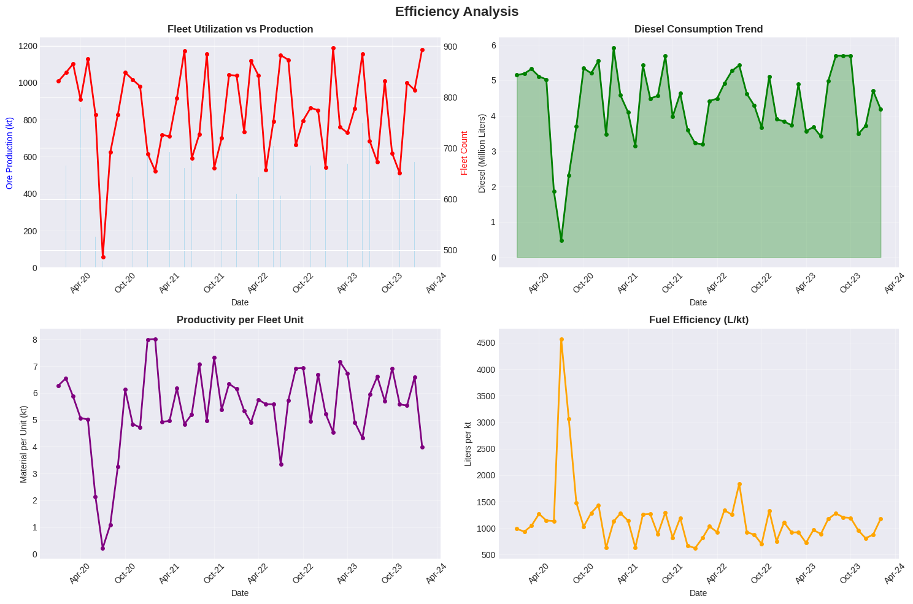
Efficiency Analysis

Comparative Analysis
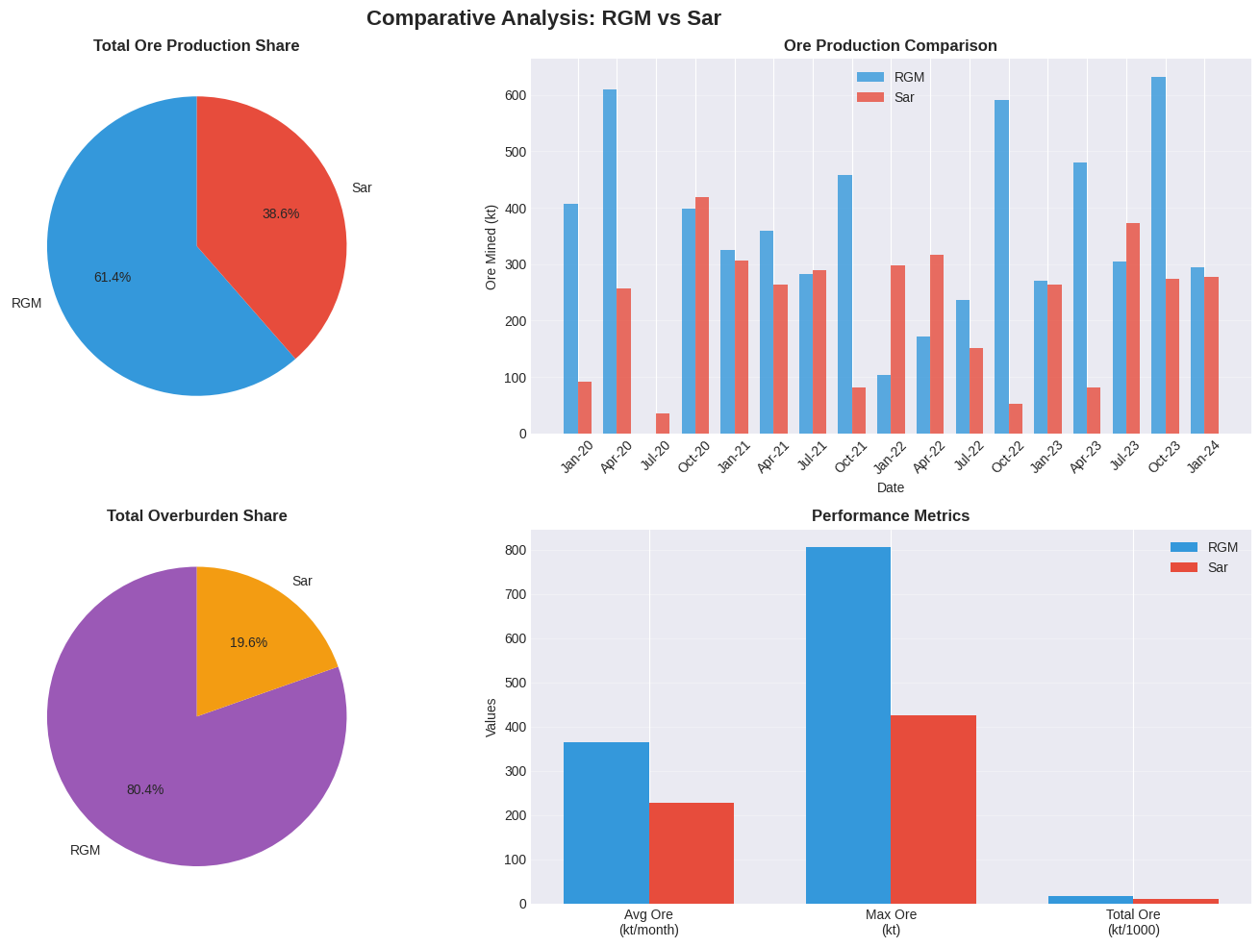
Comparative Analysis

Trend Analysis
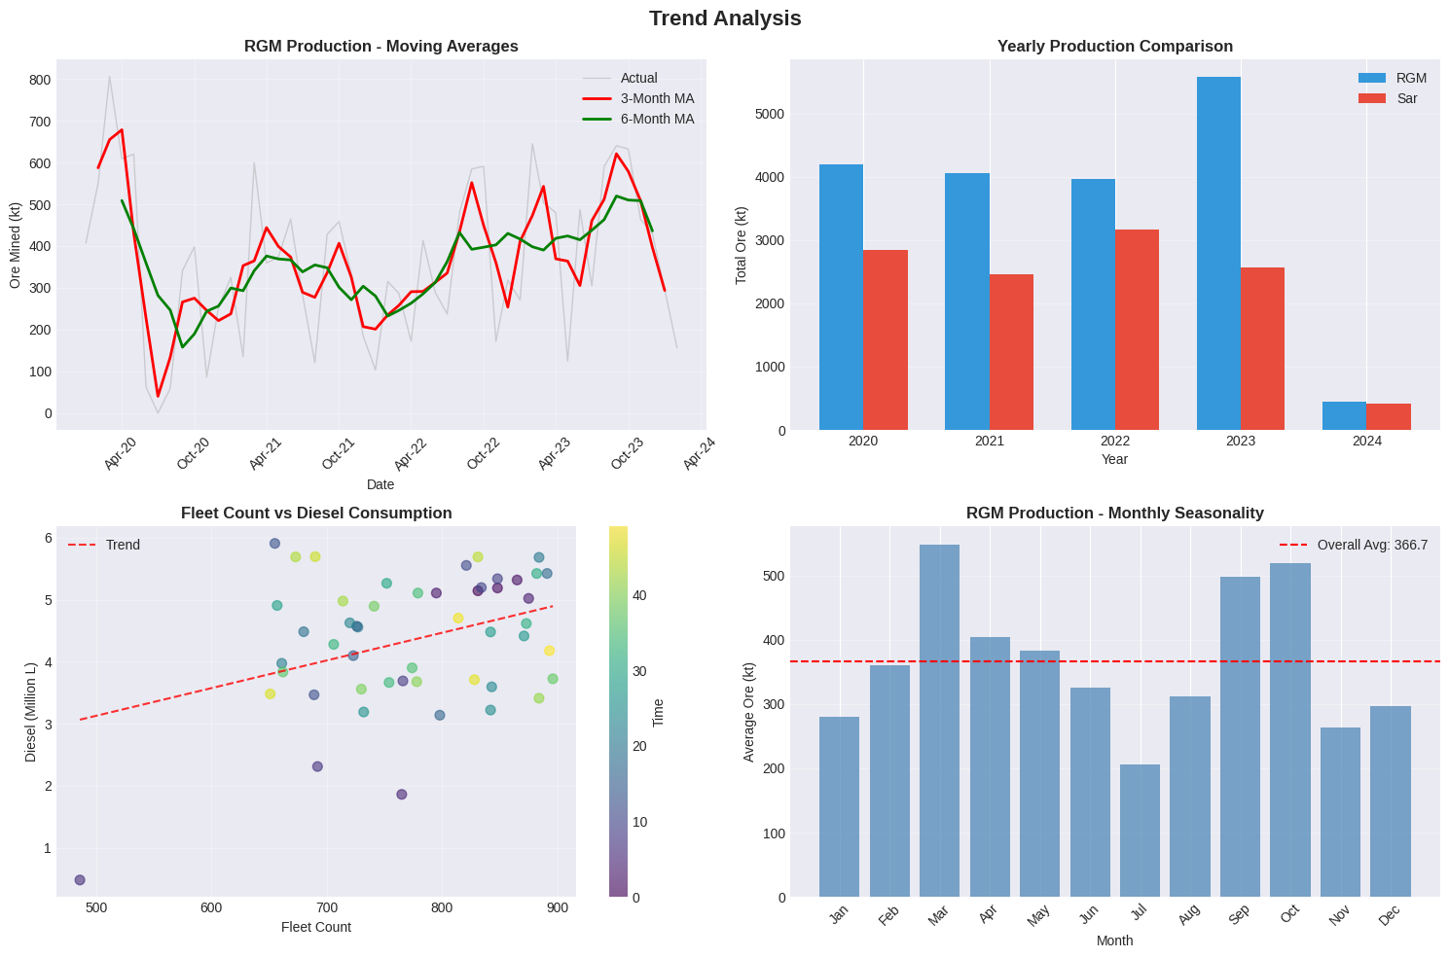
Trend Analysis

